Sheet1
 |  | Document No. | Issue No. | Issue Date |  | Review and Replace Date |  |  | Authorised By
 |  | GFF469MC | 1 | 02.10.2024 |  | New Document |  |  | Magda Shah
 |  | Document Title | 8* Breaded Chicken Bites with BBQ Sauce | 240G
Document amendments reason for change |  | New Document |  |  | Page 1 of 1 | Previous Issue Date | New Document |  | Uncontrolled copy unless signed original

CCBTB-R1TEB | BOOTHS - XMAS |  | 8* Breaded Chicken Bites with BBQ Sauce | 240G
STEP 1 |  |  |  |  | STEP 2
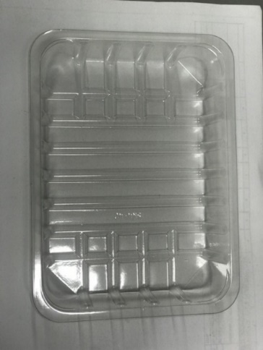 |  |  |  |  | 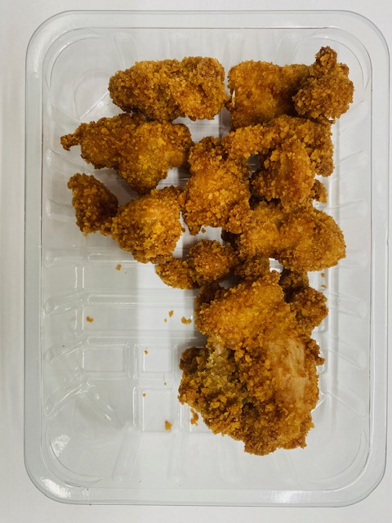

Tray: SK4 Plain Clear (PKESS001-07) |  |  |  |  | Xmas Breaded Chicken Bites (GFF503R): 200g Minimum 8 chicken pieces
Film: K-peel 7G+25A/f-275mm (PKKMP001-03)
STEP 3 |  |  |  |  | STEP 4
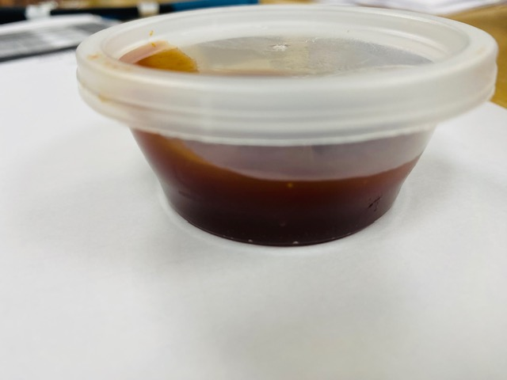

SATCO CONTAINERS (PKJEN001-03) |  |  |  |  | 8* Breaded Chicken Bites with BBQ Sauce | 240G
Barbecue Sauce Everyday Favourite (RM3666001-24): 40g |  |  |  |  |  |  |  | TOTAL WEIGHT: 240g
ALLERGY ALERT: None

